US 1 Login
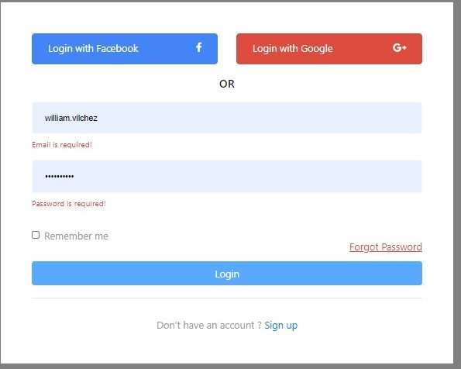
User Story

1) O Usuário faz o Login
2) Vamos assumir que o usuário só tem uma campanha
3) Ir para Goals

